ATI QC Application Sheet
Tool Changer Application Worksheet
Customer Information |  |  | Worksheet Instructions
Name: |  |  | Please take the time to fill out this worksheet as completely as possible. The information you provide will allow ATI to recommend appropriate products. If some information is unknown, or not available, you may leave that section blank. For budgetary quotations, please fill out the Application Basics section at a minimum (red boxes).
Phone:
Email:
Company:
Address:
 |  |  | Please email completed form to your ATI contact or ApplicationsEngineers@ati-ia.com

Application Basics * = Required Information

General Application*: |  |  |  | Is this a Budgetary Inquiry?
Please provide a detailed description of the application and different toolings required. Images/drawings/sketches are also encouraged.

Robot Information*: |  |  | If unlisted
Make |  |  |  | If non-robotic, please describe what will hold and/or manipulate the tool changer:
Model
Load Capacity
Max. Accel.

Utility Needs*: |  | What needs to pass through the Tool Changer to supply the EoAT?
Utility Type |  | Details (Example detail questions below. Please include all available information.)

Network (Ethernet, Profinet, etc.) |  | What Network? | Connector preference? | Speed requirement? | Aux Power?

 |  | Other information:

Discrete Electrical (sensors, low-voltage, etc.) |  | What for? | How many pins? | Voltage? | Amperage? | Include Connections? Or field wireables that you solder to your cables? | Connector Preference?

 |  | Other information:

Servo (Motors, weld, grippers, etc.) |  | What device? | Connector Info? | Signal pins needed? | Power pins? | Special Wiring? | Amperage? | Encoders/resolvers?

 |  | Other information:

High Power (Weld, ground, ultrasonic, etc.) |  | What device? | # of contacts? | Voltage? | Amperage? | Wire size? | Duty Cycle?

 |  | Other information:

Pneumatic/Fluid (air, inert gasses, vacuum, water, coolant, solvent, etc.) |  | Type of Gas/Fluid | How many ports? | Size preference? | NPT, BSPP, Rc? | Self-Sealing req'd? | Pressure or Vacuum?

 |  | Other information:

Other Utilities (additional utilities or anything not described above; paint, laser, screw-feed, etc.)
Other Utilities

Extras*: | Please indicate if you'd like the following options included in your quotation
 | Lock and Unlock sensors (Monitors the state of the QC) |  |  |  | Integrated Tool ID (Allows robot to verify correct tool)

 | Tool storage options (Can be added/removed later) |  |  |  | Cables or Connectors (For electrical modules, if applicable)

 | Robot Interface Plates (Adapts QC to the robot wrist) |  |  |  | Other ATI products (deburring tools, F/T sensors, etc.)

Detailed Application Information (If more detailed information is available, please fill in the section below)

Loading Details: |  | Using the diagram below, please describe the weights, COG locations, and dimensions of the EoAT(s)
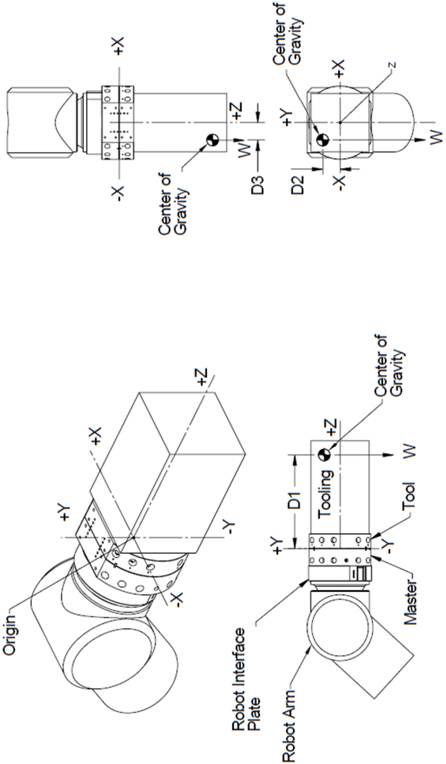

EOAT Properties |  |  | Units | Tool 1 | Tool 2 | Tool 3 | Tool 4 | Tool 5
Tooling + Payload Mass |  | EOAT Mass
 |  | Payload Mass
 |  | or Total Mass

Center of Gravity Location |  | Y-axis: (D1)
 |  | X-axis: (D2)
 |  | Z-axis: (D3)

Outer Dimensions of EOAT |  | Length (X-axis)
 |  | Width (Y-axis)
 |  | Height (Z-axis)

External Forces (Do forces exist due to insertion, pushing/pulling, dragging, etc.) |  | If so, please describe:

Other Details:

Environment Details: |  | Please describe the environment surrounding the application that will affect the tool changer.
Variable |  |  | Details |  | Units
Ambient Temperature (Temperature of area around tool changer) |  |  |  |  |  | This information is to determine if temperature will play a factor in the selection of appropriate products.
Temperature Extremes (Is there exposure to heat or cold during application)
Max Weight of Tool Changer and Modules (if applicable) |  |  |  |  |  | Minimum or maximum size/weight of the tool changer and modules. Many non-standard solutions exist to accommodate certain restrictions.
Envelope Size Restrictions for Tool Changer and/or Modules? (Stack height, orientation of electrical connectors, etc.)
Dusty Environment? (debris shielding is available) |  |  |  |  |  | This information will determine if special materials or debris control should be considered
Fluid Splashing Possible? (corrosion protection is available)

